Final Consolidated Results
ISLES22
CENTRALIZED |  | Validation Metrics
 | Models | Dice | IOU | HD95 | Train Loss | Val Loss | Epochs
80/20 training and validation split was utilized. | Swin Factorizer | 0.6389 | 0.4694 | 14.4329 | 0.1477 | 0.2724 | 50
 | 2D ResUnet | 0.6235 | 0.453 | 12.1115 | 0.1203 | 0.1821 | 50
 | 2D UNet | 0.6021 | 0.4307 | 18.6133 | 0.1155 | 0.1949 | 50
 | 3D UNet | 0.4182 | 0.2644 | 23.8547 | 0.2713 | 0.3732 | 50
 | Swin UNETR | 0.6379 | 0.4683 | 15.7341 | 0.1002 | 0.2097 | 50
 | 2D ResNet 50 | 0.5824 | 0.4635 |  | 0.3915 | 0.4505 | 20
 | 2D ResNet 34 | 0.4814 |  |  | 0.4 | 0.5543 | 20
 | nnUNET | 0.7609
 | 3D SegResNet | 0.6766 | 0.5112 | 12.6028 | 0.2665 | 0.2732 | 50

 |  | Test Metrics
 | Models | Dice | IOU | HD95 |  |  | Epochs
 | 3D SegResNet | 0.6068 | 0.4356 | 14.204 |  |  | 50

FEDERATED | MODELS | Validation Metrics |  |  |  |  | Test Metrics
 |  | Technique | Dice | IOU | HD95 | Loss | Dice | IOU | HD95 | Early Stopping? | Best Val Round
 | Swin UNETR | FedAvg | 0.6605 | 0.4931 | 16.4493 | 0.28 | 0.6117 | 0.4407 | 13.7642 | comm Rounds=8
3 client nodes were introduced, each having 50 samples for local model training. The global model was validated and tested on a validation and testing set of 50 samples each. |  | FedProx | 0.6674 | 0.5009 | 12.3521 | 0.2531 | 0.6338 | 0.464 | 13.5177 | No
 |  | FedAdam | 0.4528 | 0.2926 | 36.2403 | 0.7809 | 0.4851 | 0.3202 | 31.4209 | comm Rounds=7
 |  | Scaffold | 0.6351 | 0.4653 | 16.7854 | 0.2704 | 0.6264 | 0.456 | 11.3586 | comm Rounds=7
 | Swin Factorizer | FedAvg | 0.701 | 0.5397 | 11.6846 | 0.2217 | 0.658 | 0.4903 | 12.8081 | No
 |  | FedProx | 0.6929 | 0.5301 | 12.5456 | 0.2269 | 0.6494 | 0.4808 | 12.0627 | No
 |  | FedAdam | 0.5982 | 0.4267 | 12.4519 | 0.294 | 0.5216 | 0.3528 | 12.8669 | No
 |  | Scaffold | 0.6763 | 0.511 | 13.8827 | 0.2395 | 0.6434 | 0.4742 | 13.9943 | No
 | 3D Unet | FedAvg | 0.4884 | 0.3231 | 16.7481 | 0.4347 | 0.4496 | 0.29 | 15.0672 | No
 |  | FedProx | 0.5396 | 0.3695 | 18.1925 | 0.4167 | 0.5122 | 0.3442 | 15.2051 | No
 |  | FedAdam | 0.0232 | 0.0117 | 63.9858 | 0.8972 | 0.0412 | 0.021 | 60.3952 | No
 |  | Scaffold | 0.5166 | 0.3482 | 16.2832 | 0.3542 | 0.4609 | 0.2995 | 17.5051 | No
 | 3D SegResNet | FedAvg | 0.7488 | 0.5984 | 9.4671 | 0.1962 | 0.6994 | 0.5377 | 7.4197 | No
 |  | FedProx | 0.7503 | 0.6004 | 10.3695 | 0.1952 | 0.7196 | 0.562 | 6.6449 | No
 |  | FedAdam | 0.4629 | 0.3012 | 20.4921 | 0.7866 | 0.5058 | 0.3385 | 17.8105 | No
 |  | Scaffold | 0.7406 | 0.588 | 11.0562 | 0.1954 | 0.6853 | 0.5212 | 8.6609 | No

ISLES24
Centralized
 | Models | Validation Metrics |  |  |  |  | Test Metrics
Training, validation and testing set consisted of 95, 24 and 30 samples and masks respectively |  | Dice | IoU | HD95 | Train Loss | Val loss | Dice | IoU | HD95 | Early Stopping Round | Best Val Round
 | SegResNet | 0.6247 | 0.4543 | 17.0105 | 0.4339 | 0.4333 | 0.6384 | 0.4689 | 15.1251
 | SwinUNETR | 0.6087 | 0.4375 | 23.6302 | 0.5298 | 0.5314 | 0.628 | 0.4577 | 20.0223

Federated
 | FedAvg | Models | Validation Metrics |  |  |  | Test Metrics |  |  | Early Stopping Round | Best Val Round
2 client nodes were introduced, each having 50 samples for local model train- ing. The global model was validated and tested on a validation and testing set of 20 and 29 samples respectively. |  |  | Dice | IoU | HD95 | Val loss | Dice | IoU | HD95
 |  | SegResNet | 0.7232 | 0.5664 | 11.325 | 0.2099 | 0.7106 | 0.5511 | 15.671 | 9
 |  | SwinUNETR | 0.6912 | 0.5281 | 14.7168 | 0.3736 | 0.6439 | 0.4748 | 25.6699 | 5
 |  | Swin Factorizer | 0.695 | 0.5326 | 17.3251 | 0.2291 | 0.6236 | 0.453 | 28.9228 | -
 |  | 3D UNET | 0.5124 | 0.3445 | 40.2078 | 0.8129 | 0.5326 | 0.3629 | 46.5695 | 5

 | FedProx | Models | Validation Metrics |  |  |  | Test Metrics |  |  | Early Stopping Round | Best Val Round
 |  |  | Dice | IoU | HD95 | Val loss | Dice | IoU | HD95
 |  | SegResNet | 0.6818 | 0.5172 | 11.2785 | 0.2671 | 0.6916 | 0.5285 | 18.6065 | 7 | 5
 |  | SwinUNETR | 0.6919 | 0.529 | 18.5717 | 0.3174 | 0.6504 | 0.4819 | 29.6636 | 6
 |  | Swin Factorizer | 0.6758 | 0.5104 | 22.794 | 0.2452 | 0.603 | 0.4317 | 27.7165 | 6
 |  | 3D UNET | 0.6346 | 0.4648 | 23.6152 | 0.4267 | 0.6421 | 0.4729 | 27.3342 | 8

Combined Experiment (personalization) | 3 clients in total client 0 = ISLES 24 (100 samples) client 1 = ISLES 22 (75 samples) client 2 = ISLES 22 (75 samples) 2 validation sets (validation of global model on both seperately) ISLES 22 (50 samples) ISLES 24 (24 samples) 2 testing sets (tested global model on both seperately) ISLES 22 (50 samples) ISLES 24 (25 samples) For personalization, the best global model was shared back to clients, and each client ran 5 local epochs. then validated and tested on the 2 validation and testing sets seperately.
 | Dataset |  | Validation Metrics |  |  |  | Test Metrics
 |  |  | Dice | IoU | HD95 | Loss | Dice | IoU | HD95 | Early Stopping Round | Best Val Round
SegResNet (FedProx) | ISLES 22 | Global | 0.7204 | 0.5629 | 20.4579 | 0.2101 | 0.6749 | 0.5094 | 19.3545
 |  | Client 0 (ISLES24) | 0.6844 | 0.5202 | 16.0842 | - | 0.6152 | 0.4442 | 17.3664
 |  | Client 1 (ISLES22) | 0.7194 | 0.5618 | 21.6714 | - | 0.6801 | 0.5153 | 16.3888
 |  | Client 2 (ISLES22) | 0.6718 | 0.5058 | 25.6434 | - | 0.6709 | 0.5047 | 21.7772
 | ISLES 24 | Global | 0.7487 | 0.5983 | 12.0232 | 0.1822 | 0.6785 | 0.5135 | 15.4096
 |  | Client 0 (ISLES24) | 0.7361 | 0.5824 | 13.4383 | - | 0.645 | 0.476 | 13.3411
 |  | Client 1 | 0.7056 | 0.5451 | 16.6237 | - | 0.5781 | 0.4066 | 26.3162
 |  | Client 2 | 0.7426 | 0.5906 | 21.2101 | - | 0.6068 | 0.4355 | 37.4739

 | Dataset |  | Validation Metrics |  |  |  | Test Metrics
 |  |  | Dice | IoU | HD95 | Loss | Dice | IoU | HD95 | Early Stopping Round | Best Val Round
SegResNet (FedAvg) | ISLES 22 | Global | 0.7319 | 0.5772 | 17.2905 | 0.2017 | 0.6842 | 0.52 | 16.4383
 |  | Client 0 (ISLES24) | 0.685 | 0.521 | 17.6334 |  | 0.6284 | 0.4582 | 15.9835
 |  | Client 1 (ISLES22) | 0.7214 | 0.5642 | 18.7428 |  | 0.6795 | 0.5145 | 13.8927
 |  | Client 2 (ISLES22) | 0.6996 | 0.5379 | 22.3642 |  | 0.6568 | 0.4889 | 18.2882
 | ISLES 24 | Global | 0.7542 | 0.6053 | 13.2494 | 0.1767 | 0.6317 | 0.4616 | 16.4045
 |  | Client 0 | 0.7302 | 0.575 | 10.501 |  | 0.6023 | 0.4309 | 21.0357
 |  | Client 1 | 0.7106 | 0.5511 | 22.494 |  | 0.5847 | 0.4131 | 20.4475
 |  | Client 2 | 0.6727 | 0.5069 | 24.3677 |  | 0.5498 | 0.3792 | 20.9796

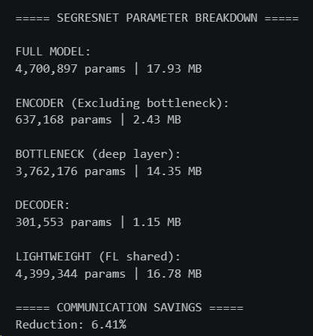
Lightweight | Shared only the encoder and bottleneck layer to the server. Hence global encoder + bottleneck layer (The global model didn't have a decoder hence can not be used as a final segmentation model). Thus, each client had its local decoder (personalization) and was used as the final segmentation model global = encoder + bottleneck (it is the last layer of encoder) client = global + local decoder NO GLOBAL MODEL
SEGRESNET PARAMETER BREAKDOWN FULL MODEL: 4,700,897 params | 17.93 MB ENCODER (Excluding bottleneck): 637,168 params | 2.43 MB BOTTLENECK (deep layer): 3,762,176 params | 14.35 MB DECODER: 301,553 params | 1.15 MB LIGHTWEIGHT (FL shared): 4,399,344 params | 16.78 MB ===== COMMUNICATION SAVINGS ===== Reduction: 6.41%G

SegResNet (FedProx) | Dataset |  | Validation Metrics |  |  |  | Test Metrics
 |  |  | Dice | IoU | HD95 | Loss | Dice | IoU | HD95 | Early Stopping Round | Best Val Round
 | ISLES 22 | Client 0 | 0.7368 | 0.5833 | 13.339 | 0.2013 | 0.6848 | 0.5207 | 10.8743
 |  | Client 1 | 0.7119 | 0.5527 | 9.5745 | 0.2184 | 0.662 | 0.4947 | 9.8931
 |  | Client 2 | 0.7293 | 0.5739 | 13.3703 | 0.2074 | 0.6754 | 0.5099 | 8.5668

SegResNet (FedProx) | Dataset |  | Validation Metrics |  |  |  | Test Metrics
 |  |  | Dice | IoU | HD95 | Loss | Dice | IoU | HD95 | Early Stopping Round | Best Val Round
 | ISLES 24 | Client 0 | 0.7092 | 0.5494 | 13.098 | 0.2165 | 0.66 | 0.4925 | 22.2648
 |  | Client 1 | 0.6983 | 0.5365 | 17.0628 | 0.2313 | 0.6824 | 0.5179 | 24.937

Combined (FedProx) | Dataset |  | Validation Metrics |  |  |  | Test Metrics
 |  |  | Dice | IoU | HD95 | Loss | Dice | IoU | HD95 | Early Stopping Round | Best Val Round
 | ISLES 22 | Client 0 (ISLES24) | 0.6301 | 0.46 | 32.4872 |  | 0.5928 | 0.4213 | 29.2371
 |  | Client 1 (ISLES22) | 0.6836 | 0.5193 | 16.579 |  | 0.663 | 0.4959 | 16.2062
 |  | Client 2 (ISLES22) | 0.6823 | 0.5178 | 19.8099 |  | 0.6661 | 0.4993 | 17.7804
 | ISLES 24 | Client 0 | 0.7199 | 0.5623 | 12.8392 |  | 0.6516 | 0.4833 | 17.6038
 |  | Client 1 | 0.5485 | 0.3779 | 26.2635 |  | 0.4537 | 0.2934 | 50.7535
 |  | Client 2 | 0.643 | 0.4738 | 24.0413 |  | 0.5078 | 0.3403 | 43.802

Transfer Learning | ISLES'22 -> ISLES'24

 | FedProx | Models | Validation Metrics |  |  |  | Test Metrics |  |  | Early Stopping Round | Best Val Round
 |  |  | Dice | IoU | HD95 | Val loss | Dice | IoU | HD95
 |  | SegResNet | 0.7315 | 0.5766 | 12.6526 | 0.2013 | 0.7064 | 0.5461 | 16.3068 | 9 | 3

 | SegResNet + FedProx + LightWeight |  | Validation Metrics |  |  |  | Test Metrics |  |  | Early Stopping Round | Best Val Round
2 clients with 50 samples each for training. 20 samples for validation and 29 samples for testing |  |  | Dice | IoU | HD95 | Val loss | Dice | IoU | HD95
 |  | Client 0 | 0.7109 | 0.5514 | 10.1506 | 0.2685 | 0.6984 | 0.5365 | 14.3489 | 6 | 4
 |  | Client 1 | 0.7228 | 0.5659 | 10.9345 | 0.2486 | 0.7051 | 0.5445 | 17.6264 | 6 | 4

ISLES22 Centralized
ISLES'22 Centralized
Model | Results | Parameters |  | Graphs
Swin Factorizer | DSC=0.6389 | IoU=0.4694 | HD95=14.4329 | model = ft.Factorizer( in_channels=1, out_channels=1, spatial_size=target_shape, encoder_depth=(1, 1, 1, 1), encoder_width=(32, 64, 128, 256), strides=(1, 2, 2, 2, 2), decoder_depth=(1, 1, 1, 1), norm=ft.LayerNorm, reshape=(ft.SWMatricize, {'head_dim': 8, 'patch_size': 2}), act=nn.ReLU, factorize=ft.NMF, rank=1, num_iters=3, init="uniform", solver="hals", mlp_ratio=2, dropout=0.1 ).to(device) | pos_weight = torch.tensor([8]).to(device) bce_loss = nn.BCEWithLogitsLoss(pos_weight=pos_weight) dice_loss = DiceLoss(sigmoid=True) def loss_function(y_pred, y_true): return 0.7 * dice_loss(y_pred, y_true) + 0.3 * bce_loss(y_pred, y_true) optimizer = torch.optim.AdamW(model.parameters(), lr=1e-4) epochs=50

2D ResUNet | DSC=0.6235 | IoU=0.4530 | HD95=12.1115 | model = UNet( spatial_dims=2, in_channels=1, # grayscale input out_channels=1, # binary output channels=(16, 32, 64, 128, 256), strides=(2, 2, 2, 2), num_res_units=2, ).to(device) | dice_loss = DiceLoss(sigmoid=True) bce_loss = nn.BCEWithLogitsLoss() def loss_function(y_pred, y_true): return 0.5 * dice_loss(y_pred, y_true) + 0.5 * bce_loss(y_pred, y_true) optimizer = optim.Adam(model.parameters(), lr=1e-4) epochs=50

2D UNet | DSC=0.6021 | IoU=0.4307 | HD95=18.6133 | model = UNet( spatial_dims=2, in_channels=1, # grayscale input out_channels=1, # binary output channels=(16, 32, 64, 128, 256), strides=(2, 2, 2, 2), num_res_units=0, ).to(device) | dice_loss = DiceLoss(sigmoid=True) bce_loss = nn.BCEWithLogitsLoss() def loss_function(y_pred, y_true): return 0.5 * dice_loss(y_pred, y_true) + 0.5 * bce_loss(y_pred, y_true) optimizer = optim.Adam(model.parameters(), lr=1e-4) epochs=50

3D UNet | DSC=0.4182 | IoU=0.2644 | HD95=23.8547 | model = UNet( spatial_dims=3, #3D in_channels=1, out_channels=1, channels=(16, 32, 64, 128, 256), strides=(2, 2, 2, 2), num_res_units=0, ).to(device) | dice_loss = DiceLoss(sigmoid=True) bce_loss = nn.BCEWithLogitsLoss() def loss_function(y_pred, y_true): return 0.5 * dice_loss(y_pred, y_true) + 0.5 * bce_loss(y_pred, y_true) optimizer = torch.optim.Adam(model.parameters(), lr=1e-4) epochs=50

Swin UNETR | DSC=0.6379 | IoU=0.4683 | HD95=15.7341 | model = SwinUNETR( in_channels=1, out_channels=1, feature_size=48, drop_rate=0.0, attn_drop_rate=0.0, dropout_path_rate=0.0, use_checkpoint=True ).to(device) | dice_loss = DiceLoss(sigmoid=True) bce_loss = nn.BCEWithLogitsLoss() def loss_function(y_pred, y_true): return 0.5 * dice_loss(y_pred, y_true) + 0.5 * bce_loss(y_pred, y_true) optimizer = torch.optim.Adam(model.parameters(), lr=1e-4) epochs=50

Pretrained nnUNET
 | Fold | Dice |  | Trainer: nnUNetTrainer
 | Fold 0 | 0.767 |  | Plans: nnUNetPlans
 | Fold 1 | 0.78035 |  | Configuration: 3d_fullres
 | Fold 2 | 0.76502 |  | Task: Dataset003_ISLES22DWI
 | Fold 3 | 0.80579 |  | Cross-validation: 5-Fold
 | Fold 4 | 0.68675

 | Fold 0

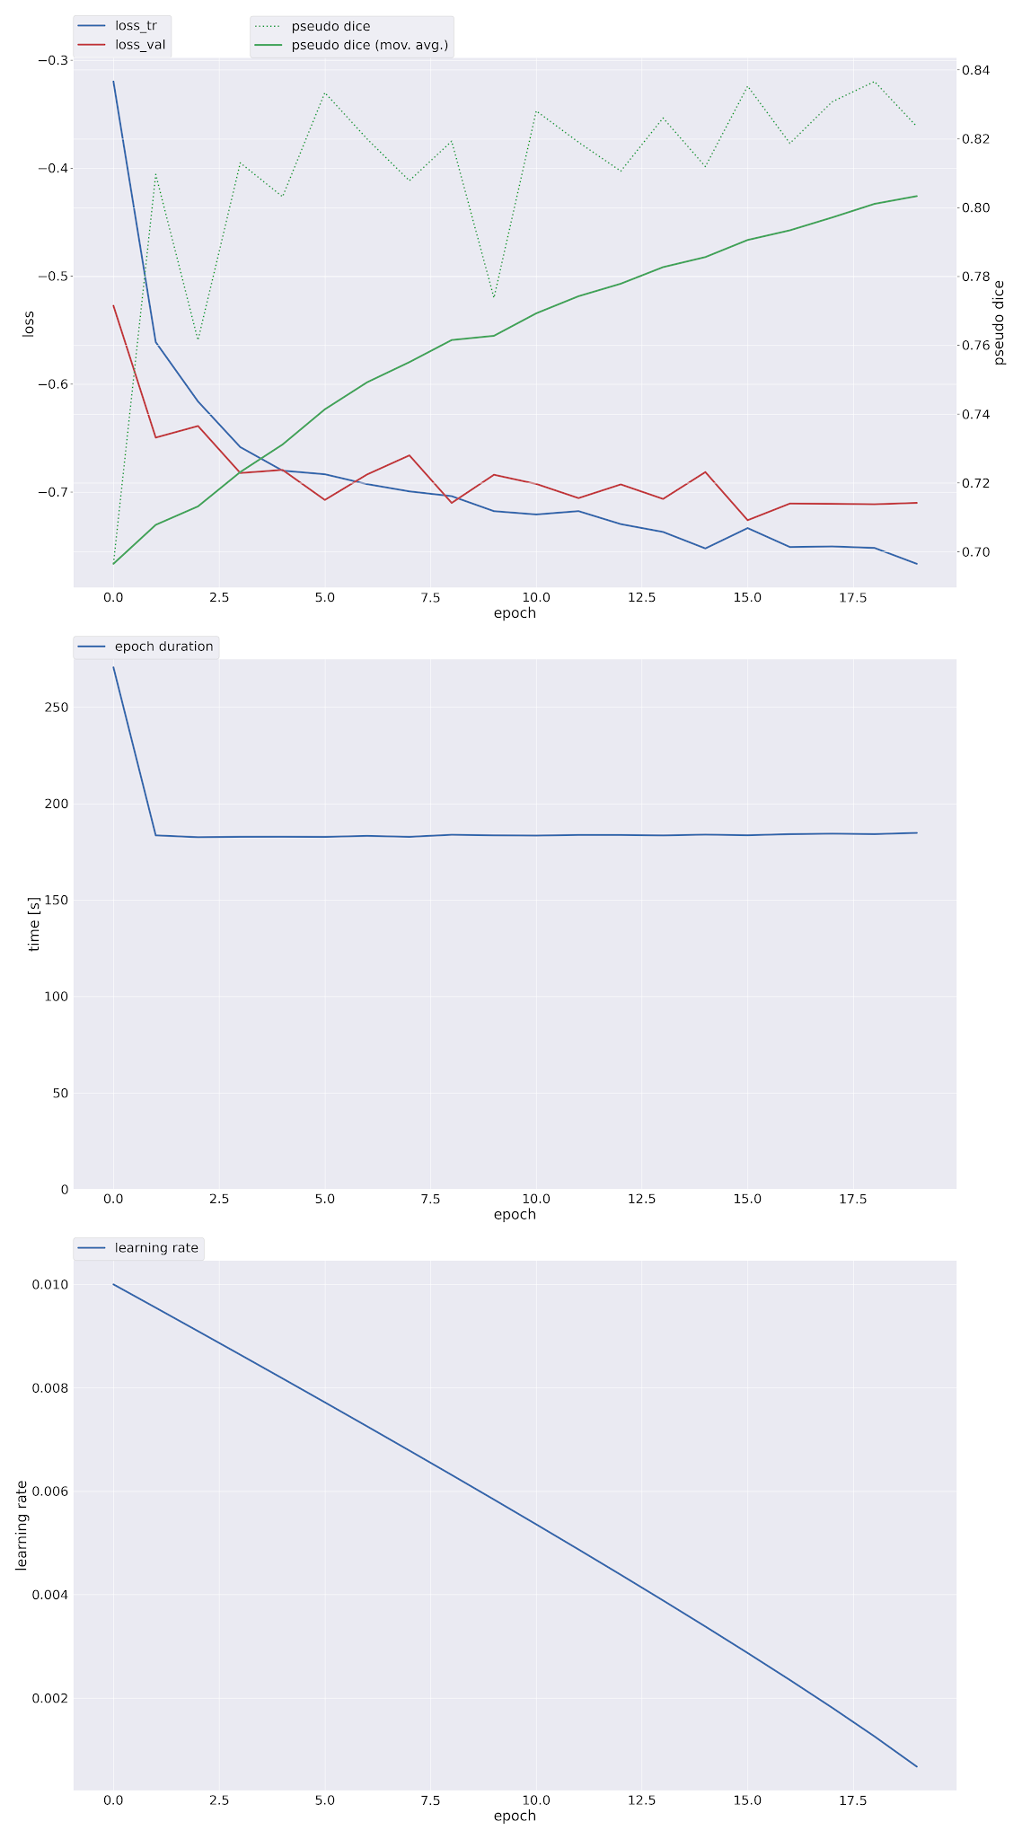

 | Fold 1

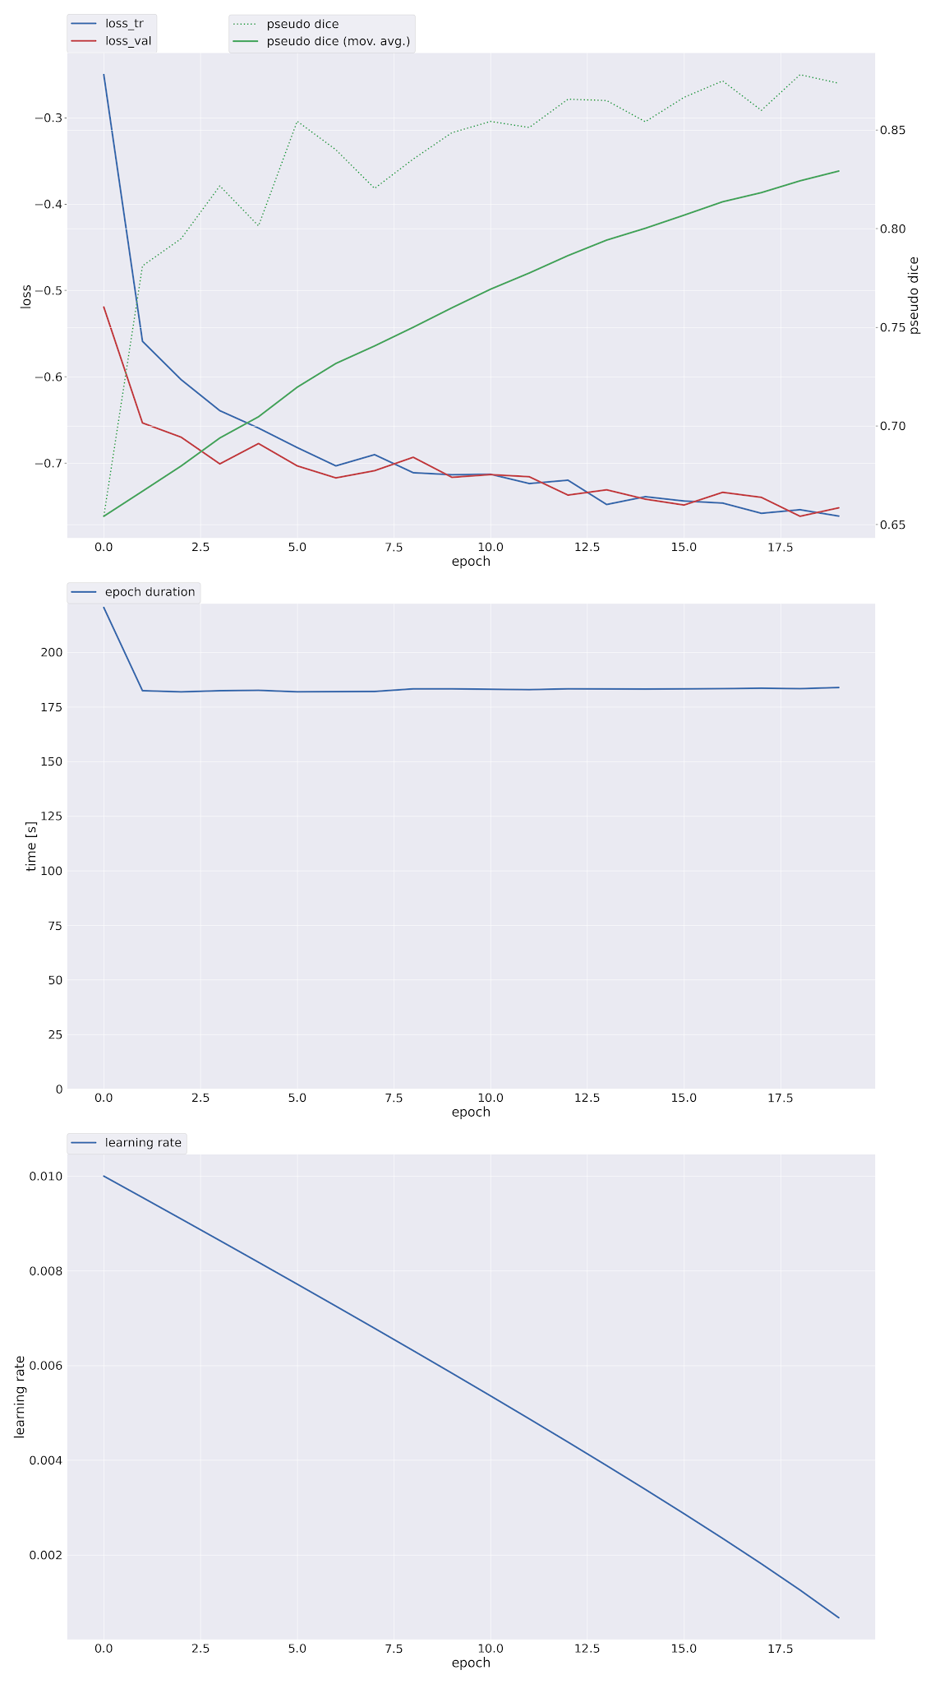

 | Fold 2
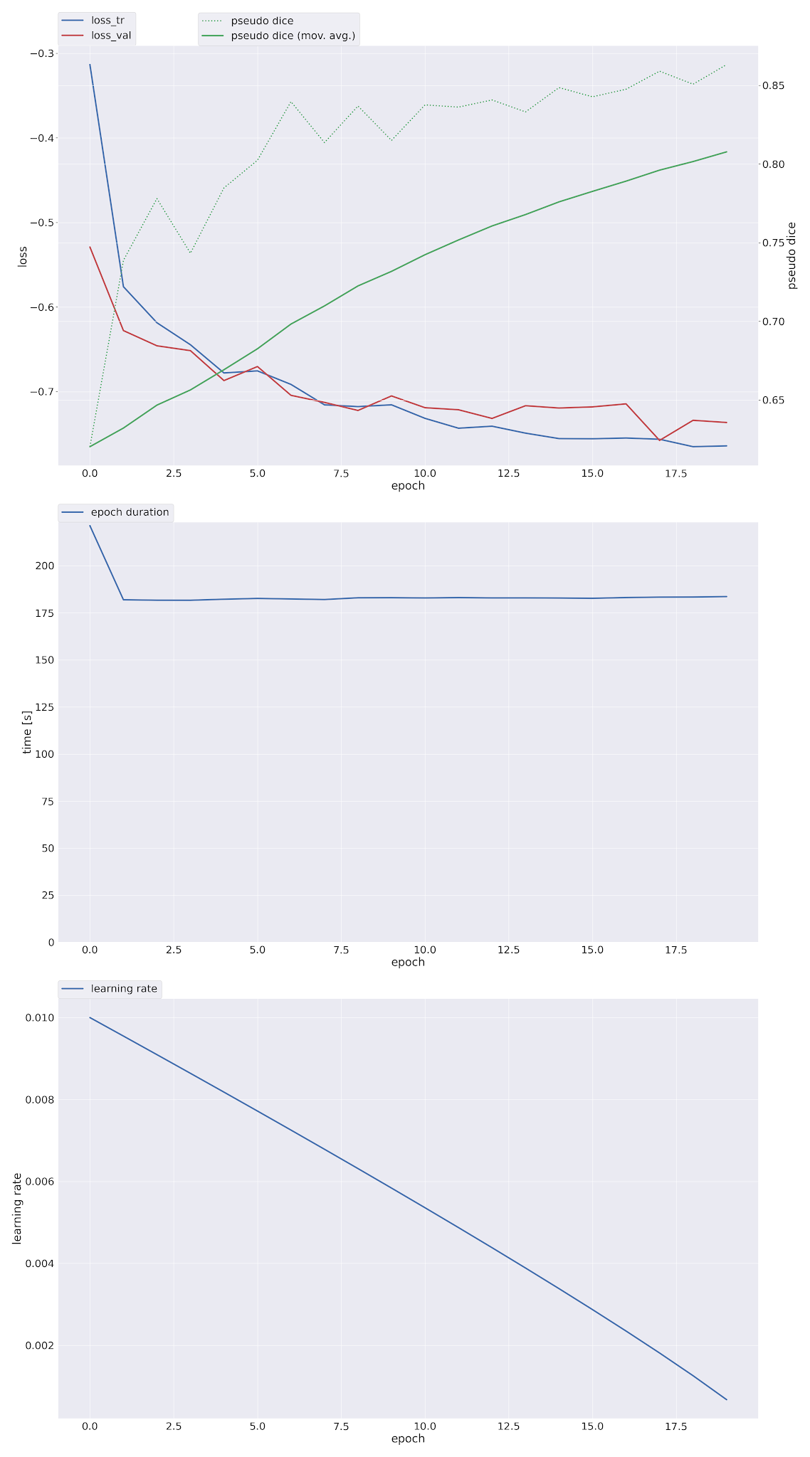

 | Fold 3

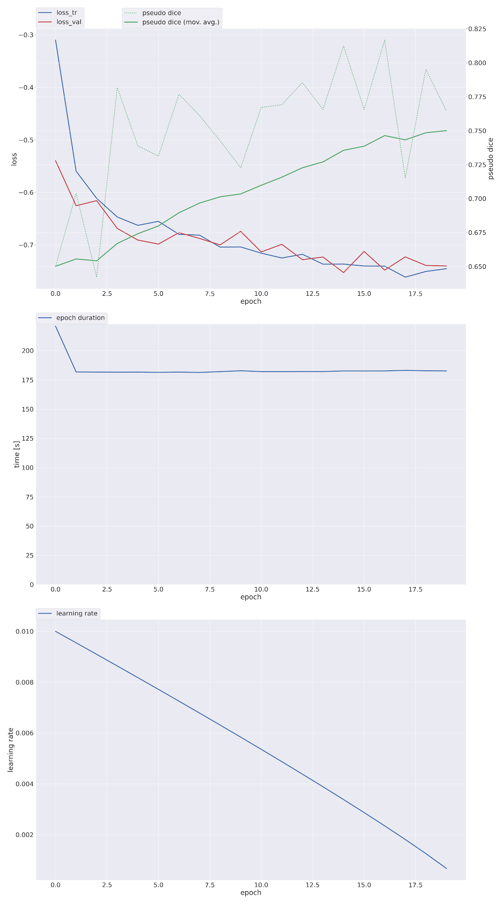

 | Fold 4
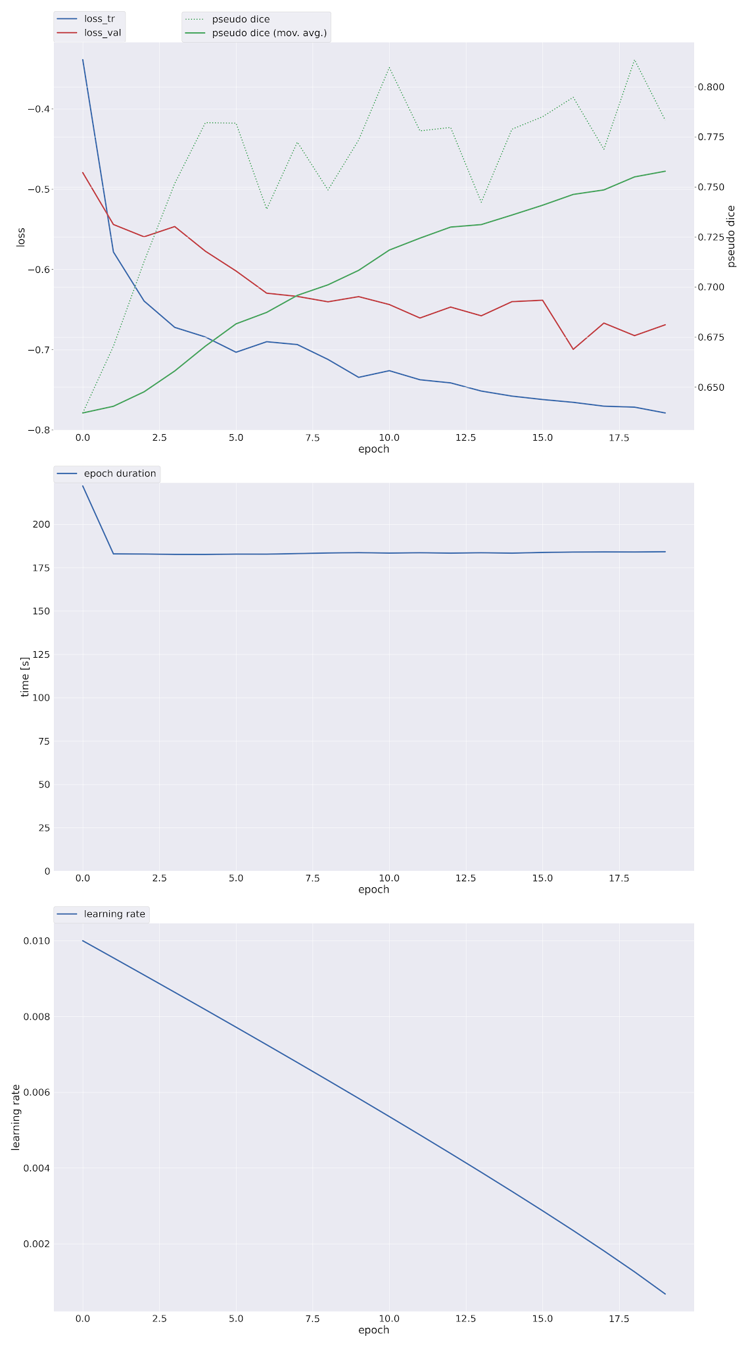

2D ResNet 50 | DSC=0.5824 | IoU=0.4635 | loss=0.4505 | resnet = resnet50(weights=None) resnet.conv1 = nn.Conv2d(1, 64, kernel_size=7, stride=2, padding=3, bias=False) # Extract feature layers only (exclude avgpool and fc) backbone = nn.Sequential( resnet.conv1, resnet.bn1, resnet.relu, resnet.maxpool, resnet.layer1, resnet.layer2, resnet.layer3, resnet.layer4 ) # output: [B, 2048, H/32, W/32] class SimpleDecoderSeg(nn.Module): def __init__(self, backbone): super().__init__() self.backbone = backbone self.decoder = nn.Sequential( nn.Conv2d(2048, 512, kernel_size=3, padding=1), nn.BatchNorm2d(512), nn.ReLU(inplace=True), nn.Upsample(scale_factor=2, mode='bilinear', align_corners=False), nn.Conv2d(512, 128, kernel_size=3, padding=1), nn.BatchNorm2d(128), nn.ReLU(inplace=True), nn.Upsample(scale_factor=2, mode='bilinear', align_corners=False), nn.Conv2d(128, 32, kernel_size=3, padding=1), nn.BatchNorm2d(32), nn.ReLU(inplace=True), nn.Upsample(scale_factor=2, mode='bilinear', align_corners=False), nn.Conv2d(32, 1, kernel_size=1) ) def forward(self, x): feats = self.backbone(x) # [B, 2048, H/32, W/32] out = self.decoder(feats) # Resize to input H,W if out.shape[-2:] != x.shape[-2:]: out = F.interpolate(out, size=x.shape[-2:], mode='bilinear', align_corners=False) return out model = SimpleDecoderSeg(backbone).to(device) | bce_loss = nn.BCEWithLogitsLoss() dice_loss = DiceLoss(sigmoid=True) optimizer = Adam(model.parameters(), lr=1e-4) val_loss = bce_loss(preds, masks).item() + dice_loss(preds, masks).item() val_loss_sum += val_loss avg_val_loss = val_loss_sum / max(1, len(val_loader))

2D ResNet 34 | DSC=0.4814 | loss=0.5543 | class ResNet34Seg(nn.Module): def __init__(self): super().__init__() res = models.resnet34(weights=None) # --- MODIFY FIRST LAYER: accept 1-channel input (DWI is grayscale) --- res.conv1 = nn.Conv2d( 1, 64, kernel_size=7, stride=2, padding=3, bias=False ) self.backbone = nn.Sequential( res.conv1, res.bn1, res.relu, res.maxpool, res.layer1, res.layer2, res.layer3, res.layer4, ) # --- Decoder --- self.decoder = nn.Sequential( nn.Conv2d(512, 256, 3, padding=1), nn.ReLU(), nn.Upsample(scale_factor=2, mode="bilinear", align_corners=False), nn.Conv2d(256, 128, 3, padding=1), nn.ReLU(), nn.Upsample(scale_factor=2, mode="bilinear", align_corners=False), nn.Conv2d(128, 64, 3, padding=1), nn.ReLU(), nn.Upsample(scale_factor=2, mode="bilinear", align_corners=False), nn.Conv2d(64, 32, 3, padding=1), nn.ReLU(), nn.Upsample(scale_factor=2, mode="bilinear", align_corners=False), nn.Conv2d(32, 16, 3, padding=1), nn.ReLU(), nn.Upsample(scale_factor=2, mode="bilinear", align_corners=False), nn.Conv2d(16, 1, 1) ) def forward(self, x): feats = self.backbone(x) out = self.decoder(feats) return out model = ResNet34Seg().to(device) | # Dice Loss function def dice_loss(preds, targets, smooth=1.0): preds = torch.sigmoid(preds) # ensure in [0,1] preds_flat = preds.view(preds.size(0), -1) targets_flat = targets.view(targets.size(0), -1) intersection = (preds_flat * targets_flat).sum(dim=1) union = preds_flat.sum(dim=1) + targets_flat.sum(dim=1) dice = (2. * intersection + smooth) / (union + smooth) return 1 - dice.mean() # Combined BCE + Dice Loss def bce_dice_loss(preds, targets): bce = F.binary_cross_entropy_with_logits(preds, targets) d_loss = dice_loss(preds, targets) return bce + d_loss # Optimizer optimizer = torch.optim.Adam(model.parameters(), lr=1e-4)

3D SegResNet | Train Loss=0.2665 Val Loss=0.2732 DSC=0.6766 IoU=0.5112 HD95=12.6028 Test Metrics:- Dice : 0.6068 IoU : 0.4356 HD95 : 14.2040 | model = SegResNet( spatial_dims=3, in_channels=1, out_channels=1, init_filters=16, blocks_down=(1, 2, 2, 4), blocks_up=(1, 1, 1), dropout_prob=0.2 ).to(device) | dice_loss = DiceLoss(sigmoid=True) bce_loss = nn.BCEWithLogitsLoss() def loss_function(y_pred, y_true): return 0.5 * dice_loss(y_pred, y_true) + 0.5 * bce_loss(y_pred, y_true) optimizer = torch.optim.Adam(model.parameters(), lr=1e-4) # Dice metric for binary segmentation dice_metric = DiceMetric(include_background=False, reduction="mean") hd_metric = HausdorffDistanceMetric(include_background=False, percentile=95, reduction="mean") # IoU can be computed as: DSC / (2-DSC) or using simple formula def iou_from_dice(dice): return dice / (2 - dice) # Epochs=50

ISLES22 Federated
ISLES'22 FedAvg
5 Local Epochs + Max 50 Comm Rounds
Swin UNETR | Test Set Metrics: Dice: 0.6077 IoU: 0.4365 HD95: 14.4028 | Val Set Metrics Loss=0.3989 Dice=0.6563 IoU=0.4884 HD95=16.0077 | comm_rounds=27 Local Epochs=5

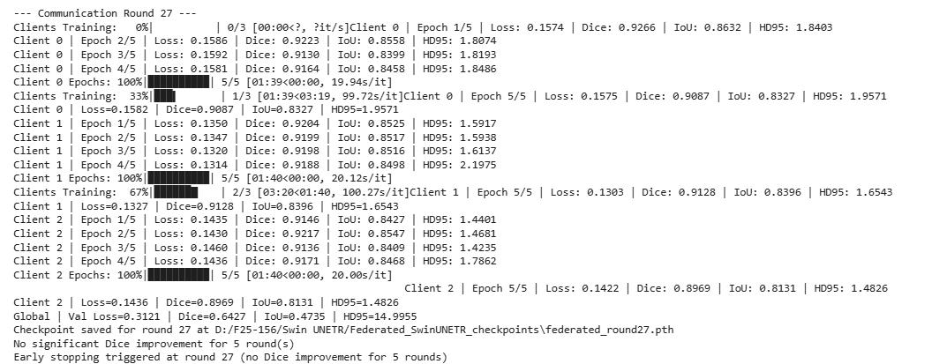

Swin Factorizer | Test Set Metrics: Dice: 0.6490 IoU: 0.4803 HD95: 13.4730 | Val Set Metrics: Loss: 0.2130 Dice: 0.7128 IoU: 0.5537 HD95: 12.8604 | comm_rounds=50 Local Epochs=5

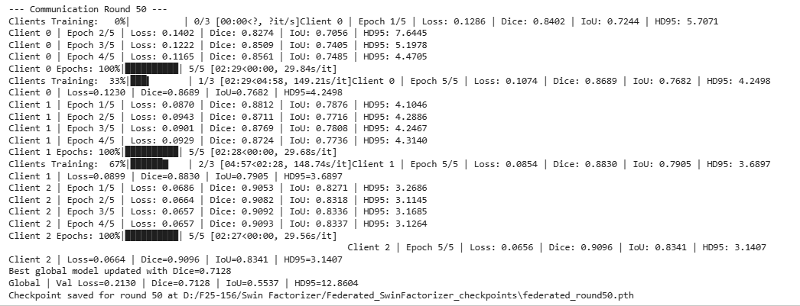

3D UNet | Test Set Metrics: Dice: 0.5026 IoU: 0.3356 HD95: 16.3263 | Val Set Metrics Loss=0.3869 Dice=0.5424 IoU=0.3721 HD95=14.4389 | comm_rounds=50 Local Epochs=5

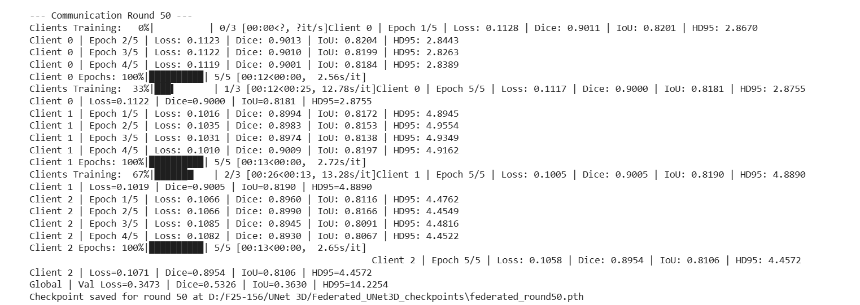

3D SegResNet | Test Set Metrics: Dice: 0.6652 IoU: 0.4984 HD95: 9.9268 | Val Set Metrics Loss=0.3735 Dice=0.7000 IoU=0.5384 HD95=12.7564 | comm_rounds=20 Local Epochs=5

ISLES22 FedAvg
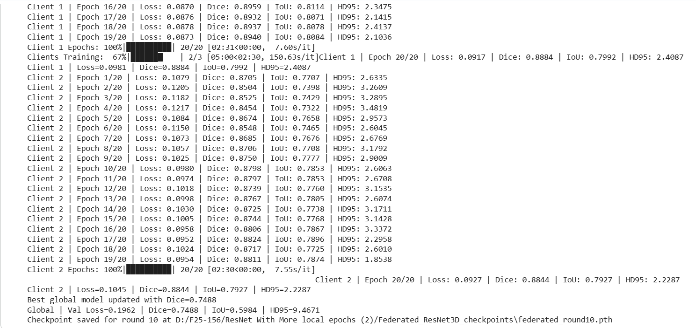
ISLES'22 FedAvg
20 Local Epochs + Max 10 Comm Rounds
Swin UNETR | Test Set Metrics: Dice: 0.6117 IoU: 0.4407 HD95: 13.7642 | Val Set Metrics Loss=0.2800 Dice=0.6605 IoU=0.4931 HD95=16.4493 | Comm Rounds= 8 Local Epochs=20
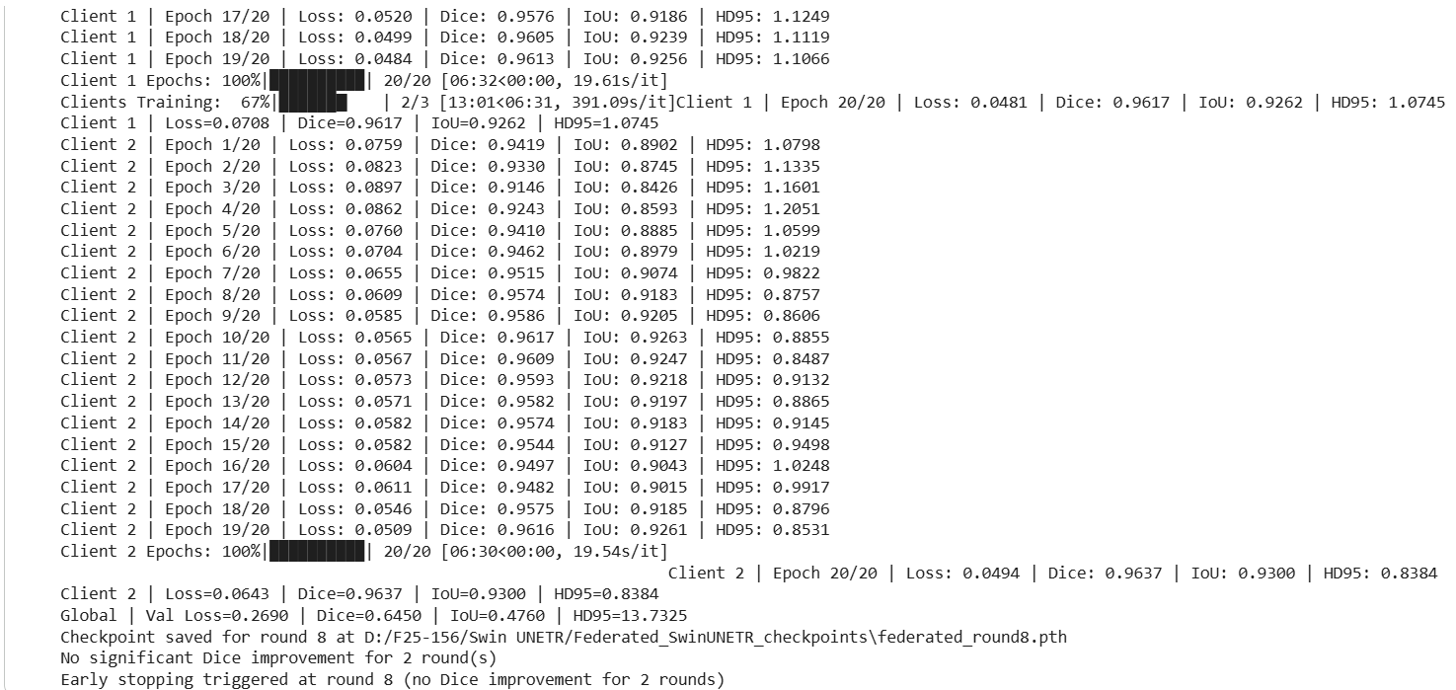

Swin Factorizer | Test Set Metrics: Dice: 0.6580 IoU: 0.4903 HD95: 12.8081 | Val Set Metrics Loss=0.2217 Dice=0.7010 IoU=0.5397 HD95=11.6846 | Comm Rounds=10 Local Epochs=20

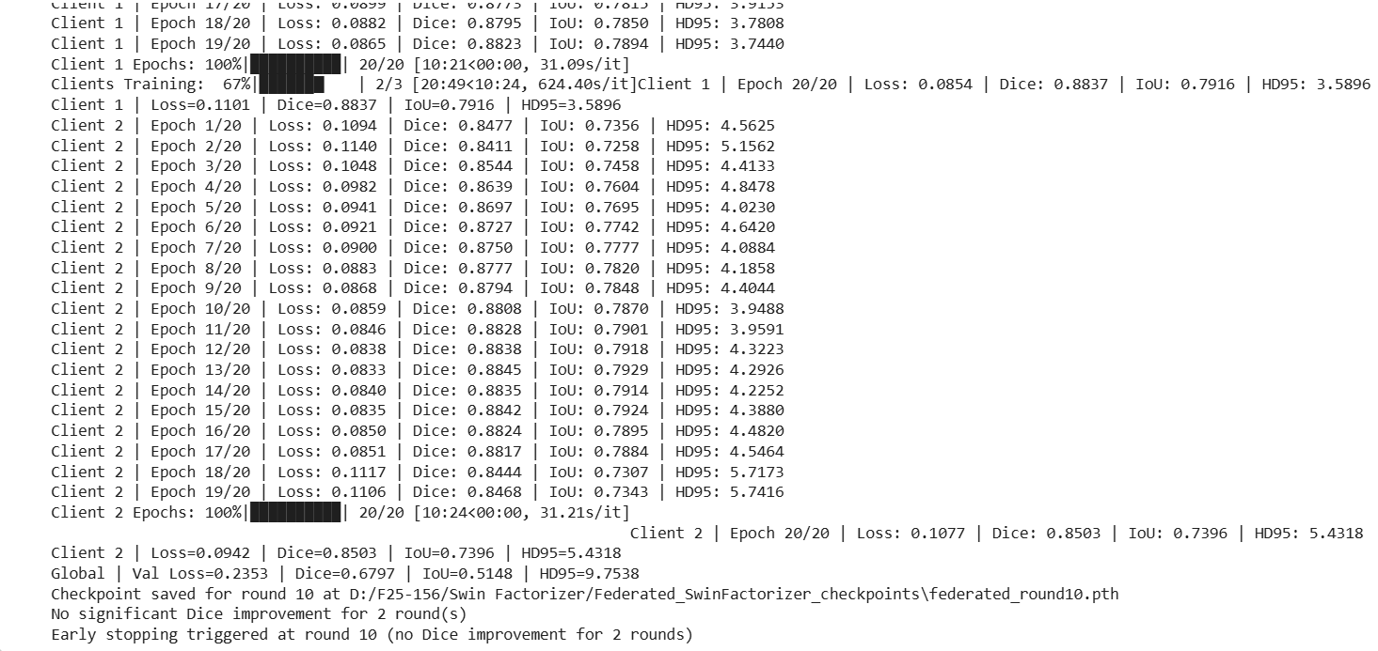

3D UNet | Test Set Metrics: Dice: 0.4496 IoU: 0.2900 HD95: 15.0672 | Val Set Metrics Loss=0.4347 Dice=0.4884 IoU=0.3231 HD95=16.7481 | Comm Rounds=10 Local Epochs=20
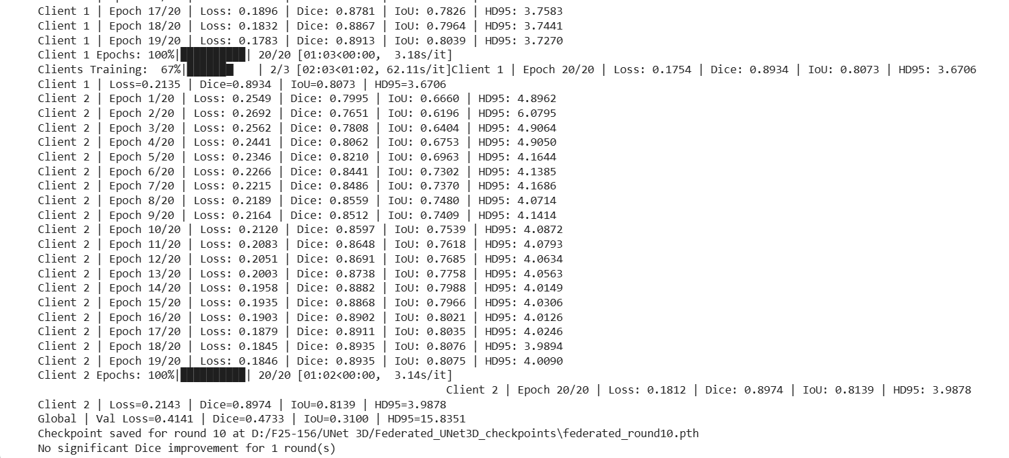

3D SegResNet | Test Set Metrics: Dice: 0.6994 IoU: 0.5377 HD95: 7.4197 | Val Set Metrics: Loss=0.1962 Dice=0.7488 IoU=0.5984 HD95=9.4671 | Comm Rounds=10 Local Epochs=20

ISLES22 FedProx
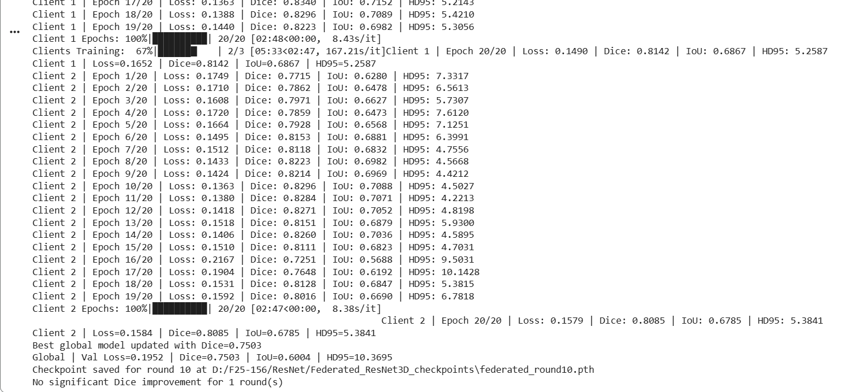
ISLES'22 FedProx
20 Local Epochs + Max 10 Comm Rounds

Swin UNETR | Test Set Metrics: Dice: 0.6338 IoU: 0.4640 HD95: 13.5177 | Val Set Metrics Loss=0.2531 Dice=0.6674 IoU=0.5009 HD95=12.3521
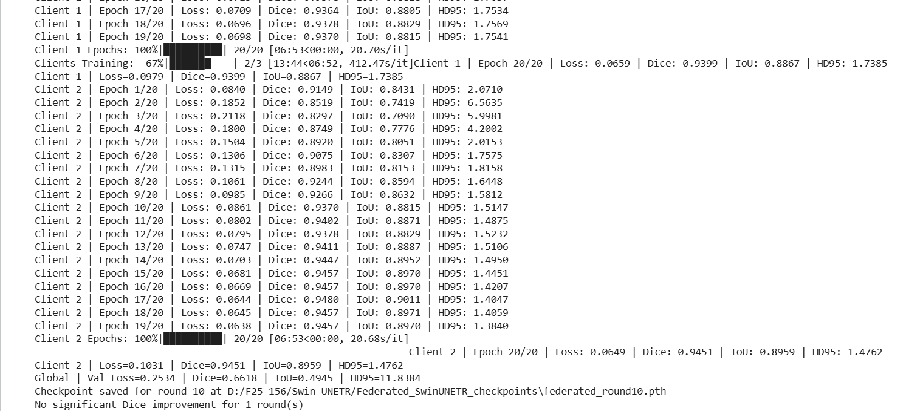

Swin Factorizer | Test Set Metrics: Dice: 0.6494 IoU: 0.4808 HD95: 12.0627 | Val Set Metrics Loss=0.2269 Dice=0.6929 IoU=0.5301 HD95=12.5456
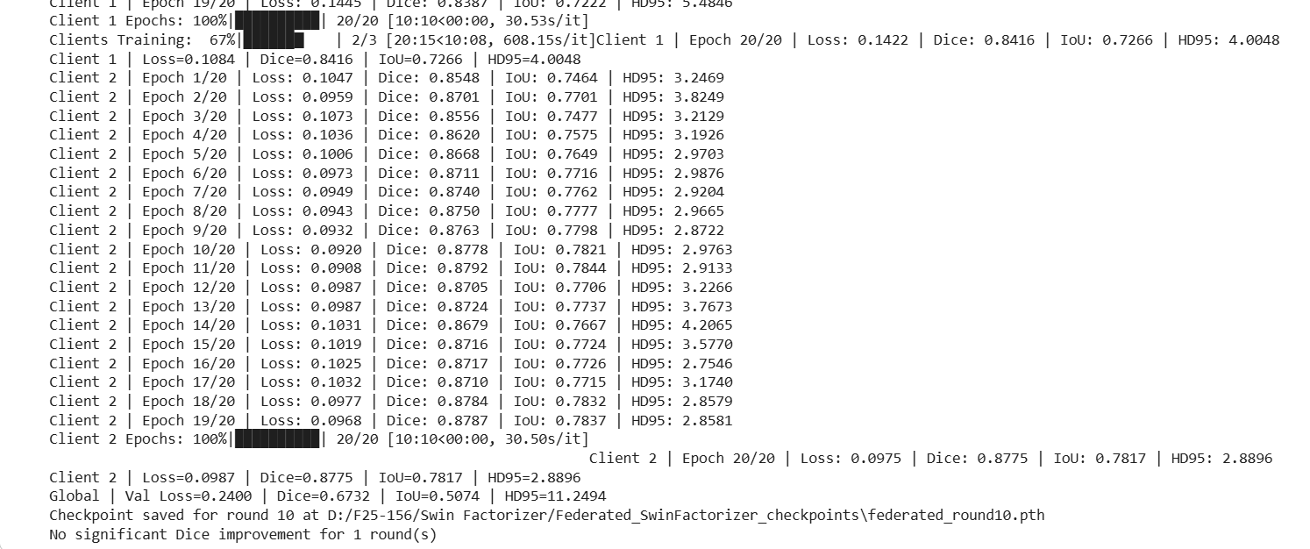

3D UNet | Test Set Metrics: Dice: 0.5122 IoU: 0.3442 HD95: 15.2051 | Val Set Metrics: Loss=0.4167 Dice=0.5396 IoU=0.3695 HD95=18.1925
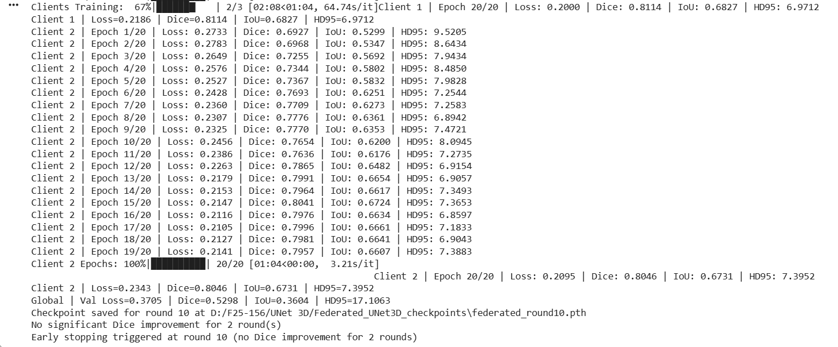

3D SegResNet | Test Set Metrics: Dice: 0.7196 IoU: 0.5620 HD95: 6.6449 | Val Set Metrics Loss=0.1952 Dice=0.7503 IoU=0.6004 HD95=10.3695 | ReRun: Val Set Metrics Loss=0.1910 Dice=0.7563 IoU=0.6081 HD95=10.1520

ISLES22 FedAdam
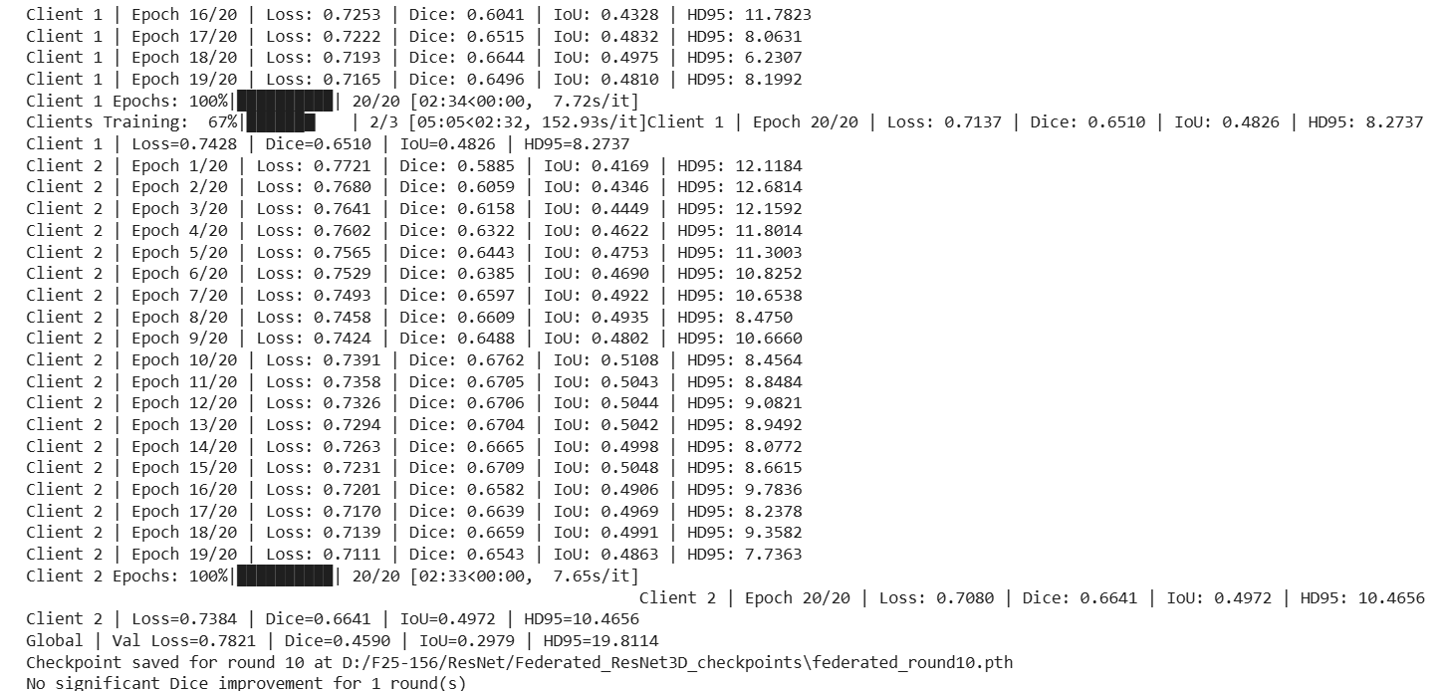
ISLES'22 FedAdam
20 Local Epochs + Max 10 Comm Rounds

Swin UNETR | Test Set Metrics: Dice: 0.4851 IoU: 0.3202 HD95: 31.4209 | Val Set Metrics: Loss=0.7809 Dice=0.4528 IoU=0.2926 HD95=36.2403 | comm_rounds=7
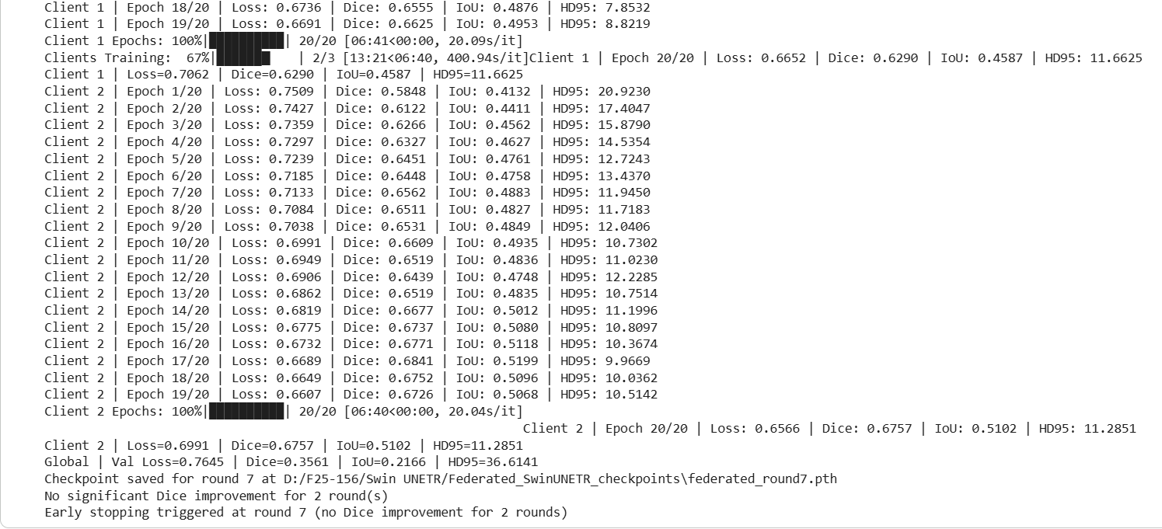

Swin Factorizer | Test Set Metrics: Dice: 0.5216 IoU: 0.3528 HD95: 12.8669 | Val set Metrics: Loss=0.2940 Dice=0.5982 IoU=0.4267 HD95=12.4519
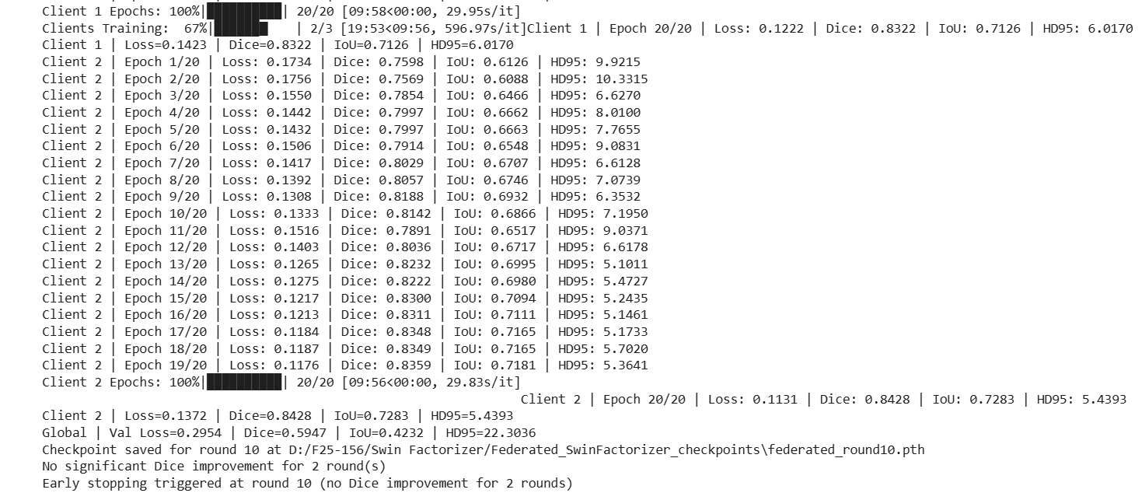

3D UNet | Test Set Metrics: Dice: 0.0412 IoU: 0.0210 HD95: 60.3952 | Val Set Metrics: Loss=0.8972 Dice=0.0232 IoU=0.0117 HD95=63.9858

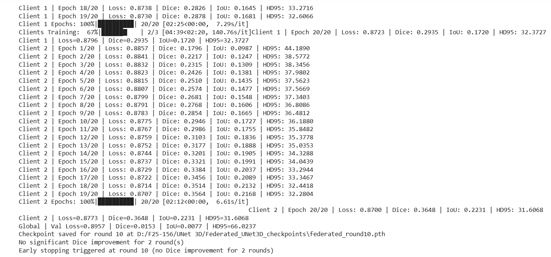

3D SegResNet | Test Set Metrics: Dice: 0.5058 IoU: 0.3385 HD95: 17.8105 | Val Set Metrics: Loss=0.7866 Dice=0.4629 IoU=0.3012 HD95=20.4921 |  | Rerun: Val Set Metrics: Loss=0.2488 Dice=0.7422 IoU=0.5901 HD95=11.0448

ISLES22 Scaffold
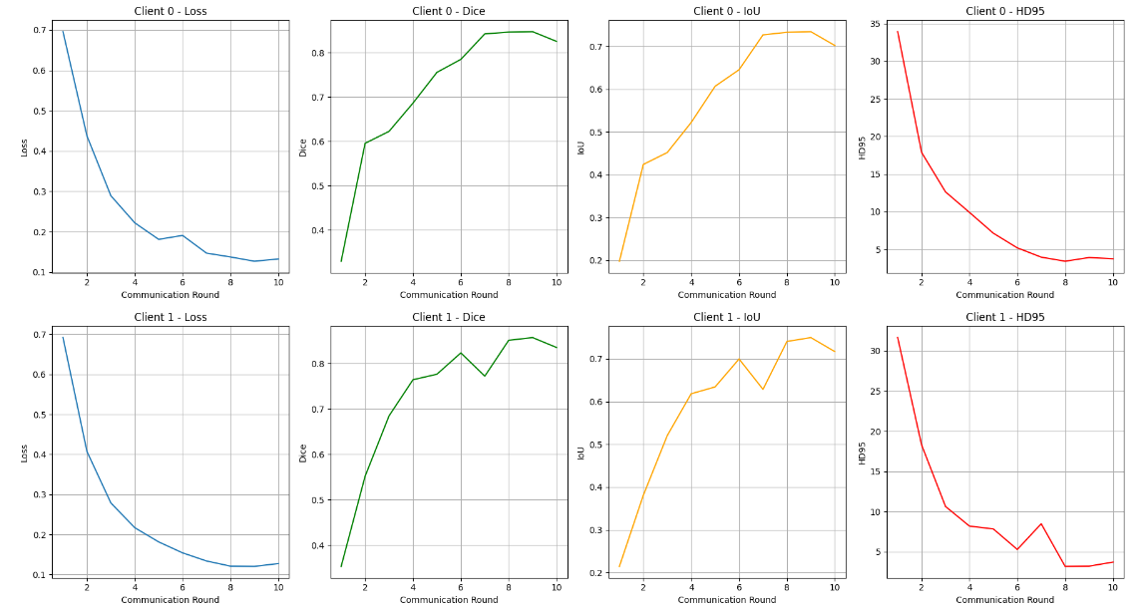
ISLES'22 SCAFFOLD
20 Local Epochs + Max 10 Comm Rounds

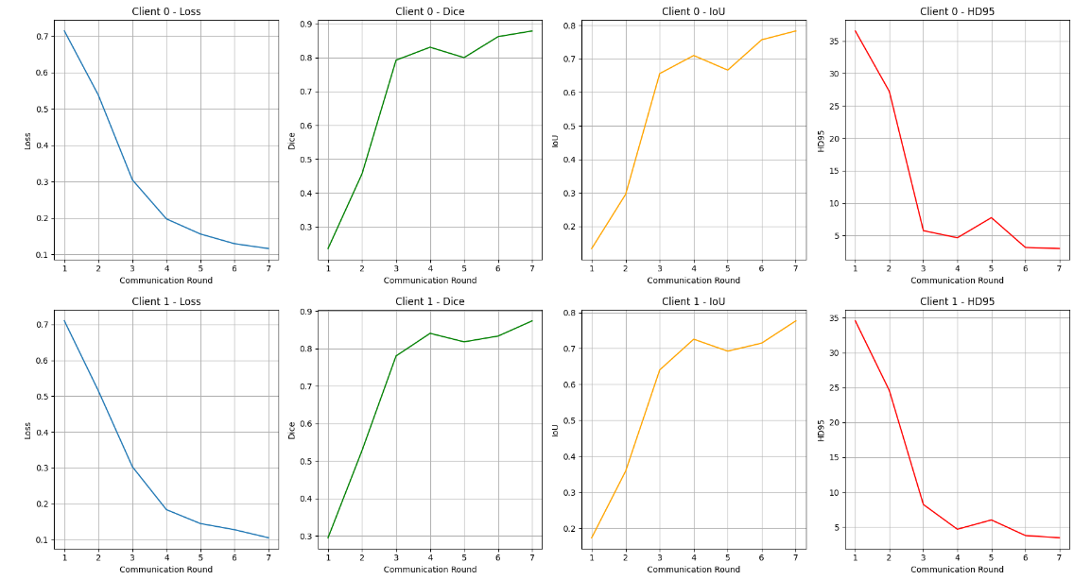
Swin UNETR | Test Set Metrics: Dice: 0.6264 IoU: 0.4560 HD95: 11.3586 | Val Set Metrics: Loss=0.2704 Dice=0.6351 IoU=0.4653 HD95=16.7854

Swin Factorizer | Test Set Metrics: Dice: 0.6434 IoU: 0.4742 HD95: 13.9943 | Val Set Metrics: Loss=0.2395 Dice=0.6763 IoU=0.5110 HD95=13.8827
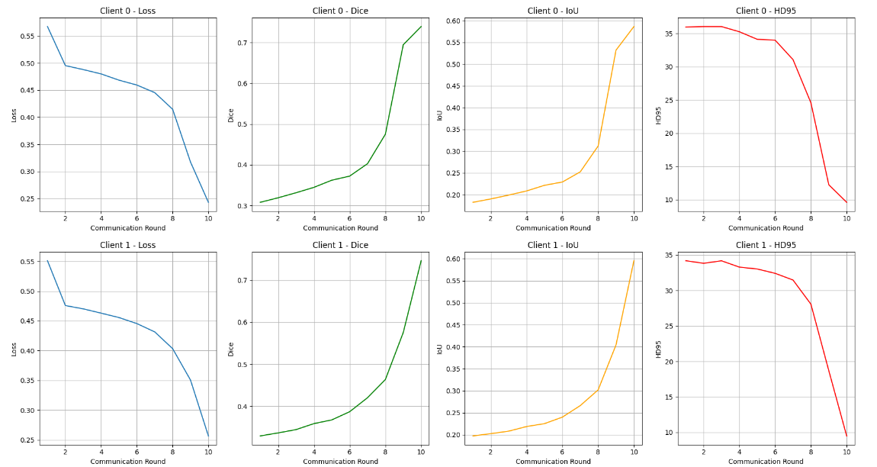

3D UNet | Test Set Metrics: Dice: 0.4609 IoU: 0.2995 HD95: 17.5051 | Val Set Metrics: Loss=0.3542 Dice=0.5166 IoU=0.3482 HD95=16.2832
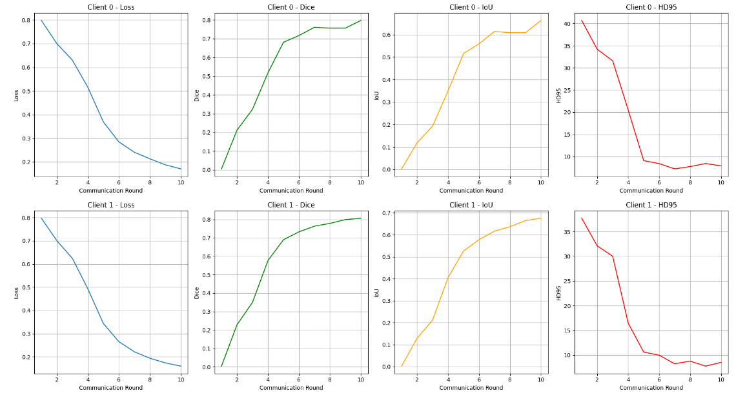

3D SegResNet | Test Set Metrics: Dice: 0.6853 IoU: 0.5212 HD95: 8.6609 | Val Set Metrics: Loss=0.1954 Dice=0.7406 IoU=0.5880 HD95=11.0562

ISLES24 FedAvg
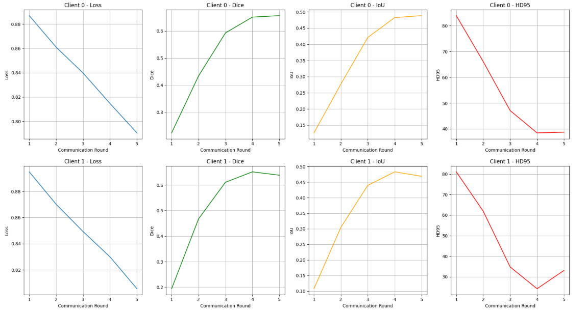
ISLES'24 FedAvg
20 local Epochs, 10 communication Rounds
Swin UNETR | Test Set Metrics: Dice: 0.6439 IoU: 0.4748 HD95: 25.6699 | Val Set Metrics: Loss=0.3736 Dice=0.6912 IoU=0.5281 HD95=14.7168 | Early stopping at round#5

3D SegResNet | Test Set Metrics: Dice: 0.7106 IoU: 0.5511 HD95: 15.6710 | Val Set Metrics: Loss=0.2099 Dice=0.7232 IoU=0.5664 HD95=11.325 | Early stopping at round#9

Swin Factorizer | Test Set Metrics: Dice: 0.6236 IoU: 0.4530 HD95: 28.9228 | Val Set Metrics: Loss=0.2291 Dice=0.6950 IoU=0.5326 HD95=17.3251

3D UNet | Test Set Metrics: Dice: 0.5326 IoU: 0.3629 HD95: 46.5695 | Val Set Metrcs: Loss=0.7595 Dice=0.4803 IoU=0.3161 HD95=45.1608

ISLES24 FedProx
ISLES'24 FedProx

3D SegResNet | Test Set Metrics: Dice: 0.6916 IoU: 0.5285 HD95: 18.6065 | Val Set Metrics: Val Loss=0.2671 Dice=0.6818 IoU=0.5172 HD95=11.2785

Swin UNETR | Test Set Metrics: Dice: 0.6504 IoU: 0.4819 HD95: 29.6636 | Val Set Metrics: Val Loss=0.3174 Dice=0.6919 IoU=0.5290 HD95=18.5717

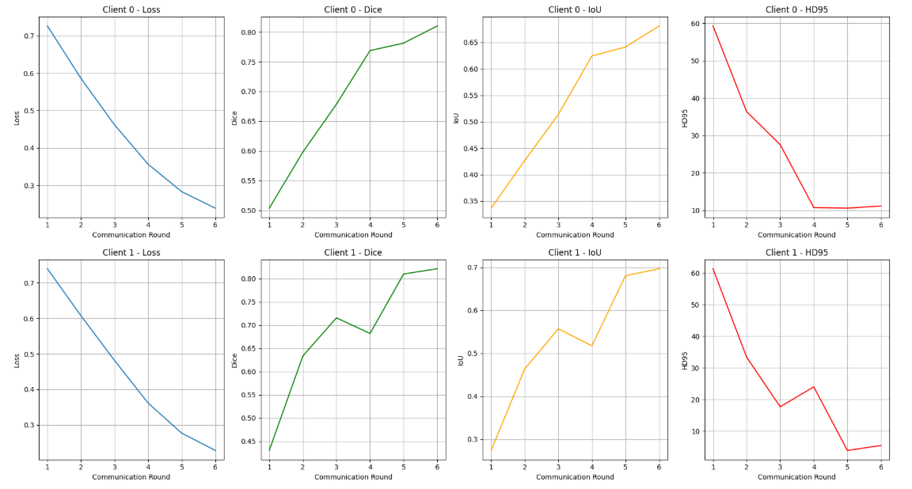

Swin Factorizer | Test Set Metrics: Dice: 0.6030 IoU: 0.4317 HD95: 27.7165 | Val Set Metrics: Val Loss=0.2452 Dice=0.6758 IoU=0.5104 HD95=22.7940

UNet | Test Set Metrics: Dice: 0.6421 IoU: 0.4729 HD95: 27.3342 | Val Set Metrics: Val Loss=0.4267 Dice=0.6346 IoU=0.4648 HD95=23.6152

